Sheet2
Total Email | 1000 |  | Spam = +ve |  |  |  | Actual
 |  |  | Not Spam = -ve | 1000 |  |  | Spam(+ve) | Not Spam(-ve)
Actual | Predicted |  |  | 100 | Predicted | Spam(+ve) | 200 | 40
Spam | Spam | True Positive |  |  |  | Not Spam(-ve) | 60 | 700
Not Spam | Not Spam | True Negative |  | 190
Spam | Not Spam | False Negative |  |  |  | Total Emails | 1000
Not Spam | Spam | False Positive |  |  |  | Correctly Classified | 900
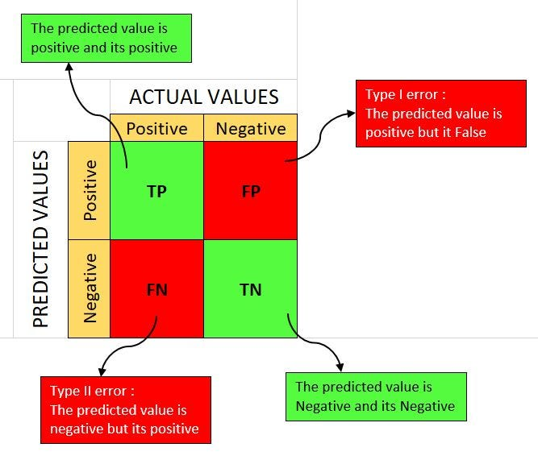
Spam |  |  |  |  |  | Accuracy | 90.00%
Spam |  |  |  |  |  | Precision (+ve) | 83.33%
Not Spam |  |  |  |  |  | Recall (+ve) | 76.92% | Beta | 1.5
 |  |  |  |  |  | F1 Score (+ve) | 80.00% | F-Beta | 78.79%

 |  |  |  |  |  | Precision(-ve) | 92.11%
 |  |  |  |  |  | Recall(-ve) | 94.59%
 |  |  |  |  |  | F1 Score (-ve) | 93.33%

 |  |  |  |  |  | F1 Macro | 86.67%

